Pictures
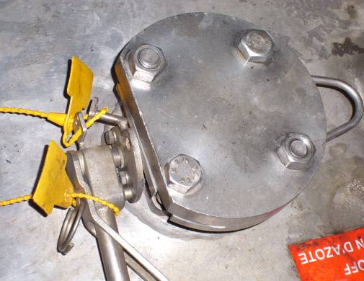
1. A horizontal positioning of the flange connection is required. The angle between a perfect horizontal reference line and the flange may be maximum 5°.

2. The distance between tank flange and flange connection has to allow bolting activities to connect the loading arm.

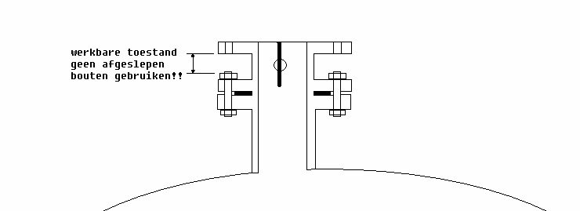
Distance between tank flange and flange connection
Don’t use cutted bolts!

3. The holes in the flange connection and those in the flange underneath may not be positioned right underneath each other. Preferably flanges are turned 45° to each other to avoid problems during bolting.
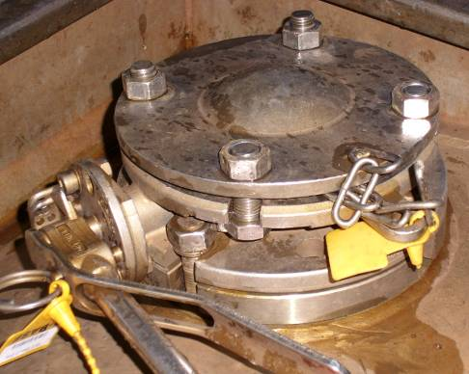
Top view

Holes flange connection

Holes tank flange

4.Every manual valve can be easily operated and can be fully opened. Valves must be provided with a permanently affixed handle with TIR system.

